Sheet1
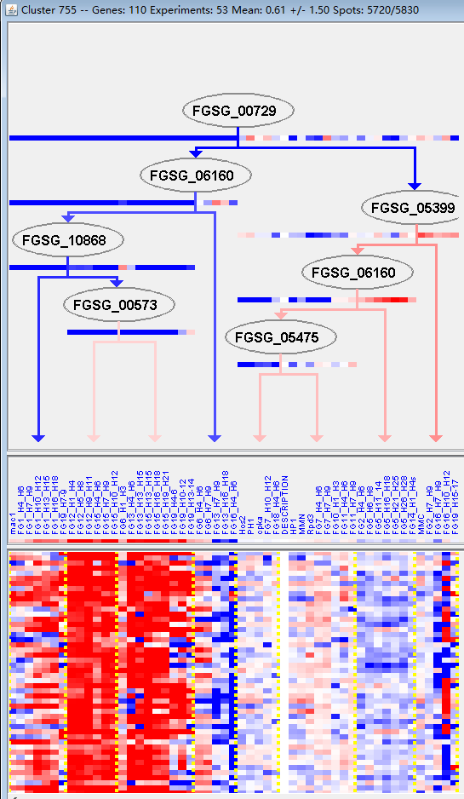
k | Filter | FUNCTIONAL CATEGORY | abs SET | rel SET | genes SET | abs GENOME | rel GENOME | rel SET/rel GENOME | P-VALUE | Bonferroni_corr | FDR
01.05.03 polysaccharide metabolism | 27 | 27.2 | FGSG_00571 FGSG_02059 FGSG_02386 FGSG_11548 FGSG_04679 FGSG_03867 FGSG_03695 FGSG_03628 FGSG_03170 FGSG_03003 FGSG_04872 FGSG_06445 FGSG_06452 FGSG_06463 FGSG_07639 FGSG_08253 FGSG_08011 FGSG_07993 FGSG_09085 FGSG_10411 FGSG_11208 FGSG_11049 FGSG_11048 FGSG_11488 FGSG_11487 FGSG_11428 FGSG_11304 | 291 | 2.1 | 12.95238095 | 5.75E-23
01.05 C-compound and carbohydrate metabolism | 44 | 44.4 | FGSG_00571 FGSG_01829 FGSG_02059 FGSG_02386 FGSG_11548 FGSG_04679 FGSG_04603 FGSG_04595 FGSG_04592 FGSG_03965 FGSG_03905 FGSG_03867 FGSG_03795 FGSG_03695 FGSG_03628 FGSG_03624 FGSG_03609 FGSG_03170 FGSG_03003 FGSG_04704 FGSG_04872 FGSG_06445 FGSG_06452 FGSG_06463 FGSG_07639 FGSG_07642 FGSG_07695 FGSG_08409 FGSG_08253 FGSG_08011 FGSG_07993 FGSG_09085 FGSG_09821 FGSG_10411 FGSG_11208 FGSG_11049 FGSG_11048 FGSG_10999 FGSG_10989 FGSG_11488 FGSG_11487 FGSG_11428 FGSG_11304 FGSG_11295 | 1547 | 11.1 | 4 | 4.53E-17
01 METABOLISM | 57 | 57.5 | FGSG_00571 FGSG_01829 FGSG_02059 FGSG_02386 FGSG_11548 FGSG_04679 FGSG_04603 FGSG_04595 FGSG_04593 FGSG_04592 FGSG_04590 FGSG_04588 FGSG_03965 FGSG_03905 FGSG_03867 FGSG_03795 FGSG_03695 FGSG_03628 FGSG_03624 FGSG_03609 FGSG_03209 FGSG_03170 FGSG_03003 FGSG_04704 FGSG_04872 FGSG_06445 FGSG_06452 FGSG_06463 FGSG_07612 FGSG_07639 FGSG_07642 FGSG_07695 FGSG_08409 FGSG_08253 FGSG_08011 FGSG_07993 FGSG_09085 FGSG_09821 FGSG_10411 FGSG_11208 FGSG_11049 FGSG_11048 FGSG_10999 FGSG_10991 FGSG_10990 FGSG_10989 FGSG_11488 FGSG_11487 FGSG_11428 FGSG_11397 FGSG_11396 FGSG_11395 FGSG_11348 FGSG_11305 FGSG_11304 FGSG_11303 FGSG_11295 | 3402 | 24.6 | 2.337398374 | 2.39E-12
16.05 polysaccharide binding | 7 | 7.07 | FGSG_11548 FGSG_06445 FGSG_06452 FGSG_10411 FGSG_11208 FGSG_11487 FGSG_11304 | 38 | 0.27 | 26.18518519 | 8.19E-09
01.05.02 sugar, glucoside, polyol and carboxylate metabolism | 14 | 14.1 | FGSG_01829 FGSG_02059 FGSG_04679 FGSG_03905 FGSG_03628 FGSG_03624 FGSG_03609 FGSG_03003 FGSG_07639 FGSG_07695 FGSG_08011 FGSG_09821 FGSG_11048 FGSG_10999 | 307 | 2.22 | 6.351351351 | 3.67E-08
01.05.02.07 sugar, glucoside, polyol and carboxylate catabolism | 11 | 11.1 | FGSG_03905 FGSG_03628 FGSG_03624 FGSG_03609 FGSG_03003 FGSG_07639 FGSG_07695 FGSG_08011 FGSG_09821 FGSG_11048 FGSG_10999 | 224 | 1.62 | 6.851851852 | 5.70E-07
01.25 extracellular metabolism | 7 | 7.07 | FGSG_02386 FGSG_03867 FGSG_03695 FGSG_06452 FGSG_11208 FGSG_11049 FGSG_11428 | 74 | 0.53 | 13.33962264 | 9.47E-07
32.10 degradation / modification of foreign (exogenous) compounds | 7 | 7.07 | FGSG_02386 FGSG_03795 FGSG_03624 FGSG_03209 FGSG_11208 FGSG_10999 FGSG_11303 | 77 | 0.55 | 12.85454545 | 1.24E-06
32.10.07 degradation / modification of foreign (exogenous) polysaccharides | 5 | 5.05 | FGSG_02386 FGSG_03795 FGSG_03624 FGSG_11208 FGSG_10999 | 31 | 0.22 | 22.95454545 | 2.49E-06
01.25.01 extracellular polysaccharide degradation | 4 | 4.04 | FGSG_02386 FGSG_03695 FGSG_06452 FGSG_11208 | 33 | 0.23 | 17.56521739 | 8.63E-05
01.20 secondary metabolism | 14 | 14.1 | FGSG_04595 FGSG_04590 FGSG_04588 FGSG_03965 FGSG_03209 FGSG_06463 FGSG_07642 FGSG_08409 FGSG_10990 FGSG_10989 FGSG_11397 FGSG_11395 FGSG_11303 FGSG_11295 | 627 | 4.53 | 3.112582781 | 0.000144515
01.25.07 extracellular ester compound degradation | 3 | 3.03 | FGSG_03867 FGSG_11049 FGSG_11428 | 16 | 0.11 | 27.54545455 | 0.000186377
32.05.05 virulence, disease factors | 7 | 7.07 | FGSG_04588 FGSG_03867 FGSG_03504 FGSG_11049 FGSG_10990 FGSG_11428 FGSG_11395 | 222 | 1.6 | 4.41875 | 0.001067243
32 CELL RESCUE, DEFENSE AND VIRULENCE | 19 | 19.1 | FGSG_02386 FGSG_04590 FGSG_04588 FGSG_03867 FGSG_03795 FGSG_03624 FGSG_03504 FGSG_03436 FGSG_03209 FGSG_03170 FGSG_07642 FGSG_11208 FGSG_11049 FGSG_10999 FGSG_10991 FGSG_10990 FGSG_11428 FGSG_11395 FGSG_11303 | 1452 | 10.5 | 1.819047619 | 0.00670345
01.20.37.03 metabolism of peptide antibiotics | 2 | 2.02 | FGSG_10990 FGSG_11395 | 20 | 0.14 | 14.42857143 | 0.0088668
01.20.37 metabolism of peptide derived compounds | 3 | 3.03 | FGSG_03209 FGSG_10990 FGSG_11395 | 60 | 0.43 | 7.046511628 | 0.009072577
32.05.05.01 toxins | 3 | 3.03 | FGSG_04588 FGSG_10990 FGSG_11395 | 62 | 0.44 | 6.886363636 | 0.009924669
01.20.36 non-ribosomal peptide synthesis | 2 | 2.02 | FGSG_10990 FGSG_11395 | 24 | 0.17 | 11.88235294 | 0.012643374
16.21.01 heme binding | 3 | 3.03 | FGSG_04590 FGSG_10991 FGSG_11303 | 91 | 0.65 | 4.661538462 | 0.027493825
32.05.03 defense related proteins | 3 | 3.03 | FGSG_03209 FGSG_10990 FGSG_11395 | 92 | 0.66 | 4.590909091 | 0.02827663
01.20.01.01 metabolism of secondary monosaccharides | 1 | 1.01 | FGSG_06463 | 4 | 0.02 | 50.5 | 0.028338567
32.05 disease, virulence and defense | 8 | 8.08 | FGSG_04588 FGSG_03867 FGSG_03504 FGSG_03209 FGSG_11049 FGSG_10990 FGSG_11428 FGSG_11395 | 507 | 3.66 | 2.207650273 | 0.028880987
01.05.05.04 C-1 compound anabolism | 1 | 1.01 | FGSG_04603 | 6 | 0.04 | 25.25 | 0.042208259
32.07.01 detoxification involving cytochrome P450 | 3 | 3.03 | FGSG_04590 FGSG_10991 FGSG_11303 | 111 | 0.8 | 3.7875 | 0.045367309
01.01.06.02.01 biosynthesis of asparagine | 1 | 1.01 | FGSG_11396 | 7 | 0.05 | 20.2 | 0.04906943

01.05.03多糖代谢
01.05 c -化合物和碳水化合物代谢

